Linked documents
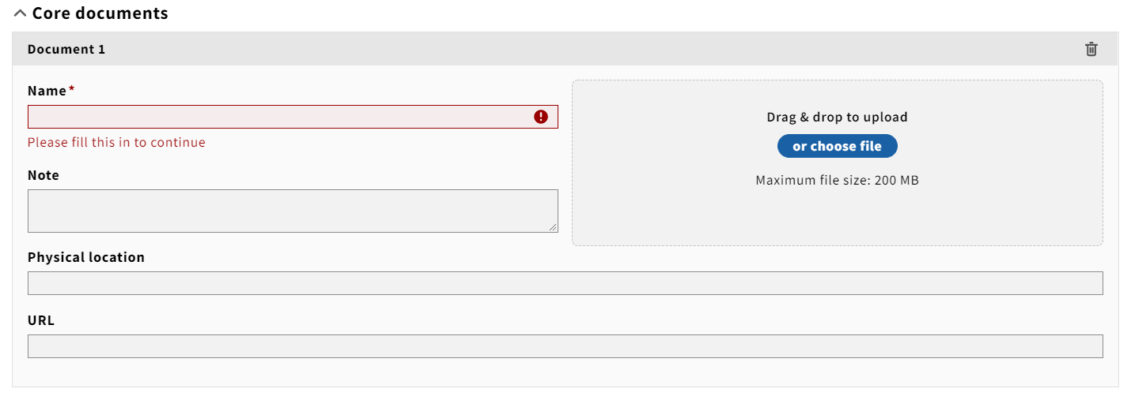
LICENSE NAME | DOCUMENT NAME | ELECTRONIC ADDRESS | NOTES
E.g., EBSCO | 2022 license | https://university.edu/licenses/ebsco

